Table 1
Inspection and Test Plan – Cementitious Treated Pavement Subbase (CTCR)
Project no. |  | CC0374 |  | Project name |  | Pakenham Roads Upgrade |  |  |  | Date |  |  |  | Approved by |  | Damain Hagebols
ITP no. | 1630-P200-SYM- QAC-ITP-0020 |  |  | Revision date |  | 31/10/2023 |  | Plant and equipment used
Lot no. |  |  |  | Location (chainages, detailed description or marked up plan)
Attach Dockets, Certificates and QA Documents to ITP
 |  |  |  |  |  |  |  |  |  |  |  |  | Verification of acceptance by |  |  |  |  | Remarks/record (eg. Test frequency reports, certificates, checklist etc)
 |  |  |  |  |  |  |  |  |  |  |  |  | Symal |  |  | Superintendent
Item no. | Activity |  |  |  | Ref docs |  | Acceptance criteria |  |  |  | Freq |  | Key | Resp | Initial/ date | Key | Sign/ date
1.0 Pre-start activities
1.1 | Source Rock |  |  |  | VR815.03 |  | Source rock complies with the requirements specified in Section 801 Source Rock for the Production of Crushed Rock and Aggregates and has been obtained from an accredited VicRoads source. |  |  |  | Prior to start of works |  | H | SE |  |  |  | Test results demonstrating compliance of the source rock being used for the production of crushed rock and aggregate
1.2 | Coarse and Fine Aggregates (Source Rock) |  |  |  | VR815.04 |  | Coarse and fine aggregates are clean, hard, durable, angular rock fragments of uniform quality. The durability, soundness and degradation factor requirements specified in Clause 815.03, Table 815.051 and Table 815.141 are met. Note that degradation factor is only required where the supplier uses fines from a different bench or location to that of the coarse aggregate source. |  |  |  | Prior to start of works |  | H | SE |  |  |  | Test results demonstrating compliance of durability, soundness Test results demonstrating compliance of degradation factor Yes □ N/A □
1.3 | Coarse and Fine Aggregates (Imported or manufactured) |  |  |  | VR815.04(b), (d) |  | Coarse and fine aggregate is not imported from a different source or manufactured from a different rock type to that of the coarse aggregate. |  |  |  | Prior to start of works |  | H | SE |  |  |  | Confirmation from supplier that fine aggregate is not imported or manufactured from a different rock type
 |  |  |  |  |  |  |  |  |  |  |  |  | Verification of acceptance by |  |  |  |  | Remarks/record (eg. Test frequency reports, certificates, checklist etc)
 |  |  |  |  |  |  |  |  |  |  |  |  | Symal |  |  | Superintendent
Item no. | Activity |  |  |  | Ref docs |  | Acceptance criteria |  |  |  | Freq |  | Key | Resp | Initial/ date | Key | Sign/ date
1.4 | Additives |  |  |  | VR815.04(c) |  | Additives are not used in the production of crushed rock. |  |  |  | Prior to start of works |  | H | SE |  |  |  | Confirmation from supplier that additives are not used in the production of crushed rock
1.5 | Crushed Rock Mix Registration |  |  |  | VR815.05 |  | Cement treated crushed rock proposed for use on VicRoads funded works are be current, registered mixes in accordance with VicRoads Code of Practice RC500.02 and conform to specified requirements applicable to that class of product. |  |  |  | Prior to start of works |  | H | SE |  |  |  | VicRoads Registered Crushed Rock Mix Design Test results demonstrating compliance of the supplied CTCR (From supplier)
1.6 | Cement |  |  |  | VR815.06 |  | Portland and blended cements are Type GP (rapid setting binder) and comply with the requirements of the current Australian Standard for General purpose and blended cements as listed in Section 175. Cement is stored in weatherproof structures, and no cement has been damaged by moisture. |  |  |  | Prior to start of works |  | H | SE |  |  |  | Confirmation from supplier that cement is Type GP and stored in a weatherproof structure
1.7 | Water |  |  |  | VR815.07 |  | Water added to the crushed rock is clean and substantially free from detrimental impurities such as oils, salts, acids, alkalis and vegetable substances. Water sources have been tested prior to use for electrical conductivity and pH, in accordance with the current Australian Standards as listed in Section 175. The electrical conductivity is not be more than 3500 µS/cm and pH is within the range of 6 to 10. |  |  |  | Prior to start of works |  | H | SE |  |  |  | Test results from the supplier (maximum of 12 month intervals) demonstrating that requirements have been met
1.8 | Mixing |  |  |  | VR815.08 |  | The crushed rock, additive (if any), cementitious binder and water has been mixed by continuous pugmill or batch mixing. The mixing period and the time of addition of water is such as to produce a uniform mixture of the components. |  |  |  | Prior to start of works |  | H | SE |  |  |  | Confirmation from supplier that mixing is undertaken by pugmill
1.9 | Cementitious Binder Content |  |  |  | VR815.10 |  | The content of cementitious binder has been determined to meet the minimum 7 day UCS specified in Table 815.101 using modified compaction. |  |  |  | Prior to start of works |  |  |  |  |  |  | Test results demonstrating the specified cement
 |  |  |  |  |  |  |  |  |  |  |  |  | Verification of acceptance by |  |  |  |  | Remarks/record (eg. Test frequency reports, certificates, checklist etc)
 |  |  |  |  |  |  |  |  |  |  |  |  | Symal |  |  | Superintendent
Item no. | Activity |  |  |  | Ref docs |  | Acceptance criteria |  |  |  | Freq |  | Key | Resp | Initial/ date | Key | Sign/ date
 |  |  |  |  |  |  |  |  |  |  |  |  |  |  |  |  |  | content achieves the required UCS
1.10 | Underlying lots |  |  |  | VR304.04 |  | The lots on which the subbase is to be placed conform with Section 204 and 304. Underlying layer lot status are conforming or non-conformances resolved prior to placement of subbase layers. |  |  |  | Each Lot |  | R | SE
2.0 Installation of Cementitious Treated Pavement Subbase (CTCR) Layer
2.1 | Delivery |  |  |  | VR306.07 |  | Delivery dockets will be produced for each CTCR Lot. Delivery dockets show the below and are for the correct product: (i) name of the supplier, and location of plant; (ii) docket number; (iii) name of user; (iv) project name and location (or contract number); (v) registered number or fleet number of the vehicle; (vi) date and time of loading; (vii) nature and source of material; (viii) empty and loaded masses of the vehicle (where material is scheduled for measurement by mass); (ix) loose volume in delivery vehicle. |  |  |  | Each lot |  | R | SE |  |  |  | Delivery Dockets
2.2 | Moisture Content |  |  |  | VR306.05 |  | At the time of spreading and compaction, Moisture Content (MC) is within plus + 0.5% and minus -1.0 % from the Modified optimum moisture content. Except for the purpose of curing, no water has been added to the cementitious treated material. |  |  |  | Each lot |  | S | SE
2.3 | Construction Jointing |  |  |  | VR306.08 |  | All jointing conforms to VR306.08. Longitudinal joints are located within 300 mm of the planned position of traffic lane lines or within 300 mm of the centre of a traffic lane. Joints have been prepared immediately prior to the recommencement of spreading operations by cutting back the edge of previously laid material to a clean vertical face in compacted material for the full |  |  |  | Each lot |  | I | SE
 |  |  |  |  |  |  |  |  |  |  |  |  | Verification of acceptance by |  |  |  |  | Remarks/record (eg. Test frequency reports, certificates, checklist etc)
 |  |  |  |  |  |  |  |  |  |  |  |  | Symal |  |  | Superintendent
Item no. | Activity |  |  |  | Ref docs |  | Acceptance criteria |  |  |  | Freq |  | Key | Resp | Initial/ date | Key | Sign/ date
 |  |  |  |  |  |  | specified layer thickness. The faces of all joints are thoroughly wetted immediately before spreading new material. The level and shape of the surface at all joints shall be within the limits specified in Clause 306.03.
2.4 | Construction – place, spread and compact CTCR |  |  |  | VR306.09 Table 306.091 |  | CTCR placed, spread, compacted, and trimmed within the allowable working time. See Figure 1. |  |  |  | Each lot |  | R | SE
 |  |  |  |  |  |  | The minimum compacted thickness is not less than 100 mm and the maximum compacted thickness is no more than 180 mm. |  |  |  | Each lot |  | S | SE
2.5 | Testing – Compaction (If alternative binder is used, testing to prove accordance to VR standards is required) |  |  |  | VR306.09 (a) |  | Adhere to Scale A compaction requirements. Tested for compliance with 306.09. Mean Density Ratio not less than 96% (Modified). Is area considered a small lot (< 500m2)? Yes □ No □ If yes, for earthworks and pavement construction any lot which has a surface area less than 500 m2 may be treated as a small area. When testing a small area as a lot and where test requirements are based on characteristic values of density ratio and/or moisture ratio, acceptance of the lot is based on the mean values of 3 individual tests. In this case the lot will be accepted as far as compaction is concerned if the mean value of the individual tests exceeds by 2.0% or more the appropriate compaction scale requirement for the characteristic value of density ratio for a lot of six tests. |  |  |  | Each lot |  | R | SE |  |  |  | NATA Test Report: Compaction and Moisture Content
2.6 | Test Rolling |  |  |  | VR173.03 VR306.10 Table 306.091 |  | Test rolling may be carried out in accordance with the requirements of Section 173 on the cementitious treated pavement subbase layer within the maximum allowable working time for the relevant binder and time of the year as specified in Table 306.091. |  |  |  | Each lot |  | R | SE |  | W
 |  |  |  |  |  |  |  |  |  |  |  |  | Verification of acceptance by |  |  |  |  | Remarks/record (eg. Test frequency reports, certificates, checklist etc)
 |  |  |  |  |  |  |  |  |  |  |  |  | Symal |  |  | Superintendent
Item no. | Activity |  |  |  | Ref docs |  | Acceptance criteria |  |  |  | Freq |  | Key | Resp | Initial/ date | Key | Sign/ date
 |  |  |  |  |  |  | Test rolling was not conducted outside the allowable working times.
2.7 | Curing and protection of compacted layers |  |  |  | VR306.11 (a) |  | Construction or other traffic has not used compacted layer within 24 hours of placement. Surface has been kept moist for 7 days unless covered by succeeding layer or membrane. |  |  |  | Each lot |  | R | SE
3.0 Completion
3.1 | Survey Tolerance |  |  |  | Table 306.032, 306.034 |  | • + 4 mm / -8 mm with a maximum Standard Deviation of 8 mm (Scale A) • + 6 mm / -12 mm with a maximum Standard Deviation of 13 mm (Scale B) • +10 mm to -25 mm for Scale C. • Minimum of 80 Level measurements for Scale A and 40 for Scale B. |  |  |  | Each lot |  | R | SE |  |  |  | Survey report
4.0 Work Lot Close Out
4.1 | Test Reports |  |  |  | VIC Roads Specifications |  | All Test reports received and reviewed. |  |  |  | Each lot |  | R | SE |  |  |  | NATA Endorsed Test Reports
4.2 | Material Supply Testing |  |  |  | VR815.14 |  | Test results have been received and are conforming for cement treated crushed rock at such a frequency to ensure that all material consistently complies with the specified requirements. See Figure 2. |  |  |  | Each lot |  | R | SE |  |  |  | NATA Endorsed Test Reports
4.3 | Product Non-Conformance |  |  |  | CQMP |  | All Product Non-Conformance(s) recorded and closed (if applicable) |  |  |  | Each lot |  | R | SE |  |  |  | NCR No: NCR reports
 |  |  |  |  |  |  |  |  |  |  |  |  | Verification of acceptance by |  |  |  |  | Remarks/record (eg. Test frequency reports, certificates, checklist etc)
 |  |  |  |  |  |  |  |  |  |  |  |  | Symal |  |  | Superintendent
Item no. | Activity |  |  |  | Ref docs |  | Acceptance criteria |  |  |  | Freq |  | Key | Resp | Initial/ date | Key | Sign/ date

4.4 | Quality Representative to check the above criteria and records to confirm |  |  |  | CQMP Lot Records |  | All above criteria met, and records identified attached. |  |  |  | Each lot |  | R | SE |  |  |  | Completed Checklist (if applicable) and reports and other compliance records attached.
Works complete (signer SS)
Lot conforms (signer PE) |  |  | Date lot closed |  |  |  |  |  | NCR/s no. raised |  |  | Date NCR closed for this lot
Responsibility (Resp.) Key: PM-Project Manager, PE-Project Engineer, SE- Site Engineer, CS-Civil Superintendent, SS-Site Supervisor, SV-Surveyor, CR-Client Representative NA – Nominated Authority Inspection Key: W – Witness, H – Hold Point, S – Surveillance, R – Review Point, I – Inspection Point
Figure 1.
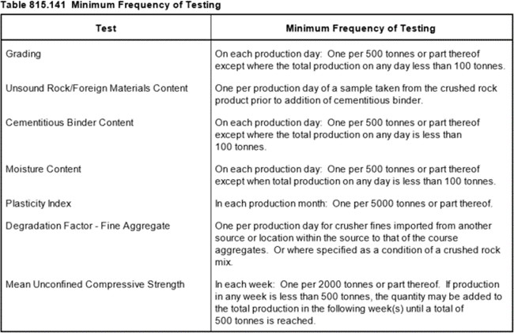
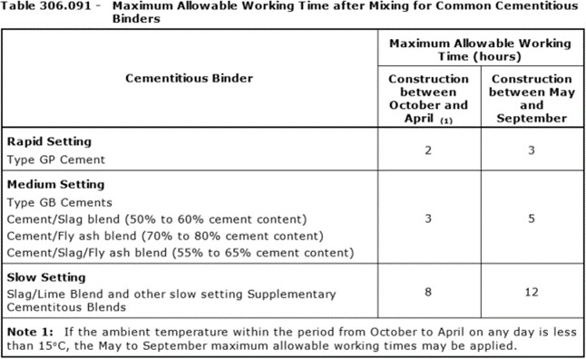 Figure 2.

